p-H cycle table
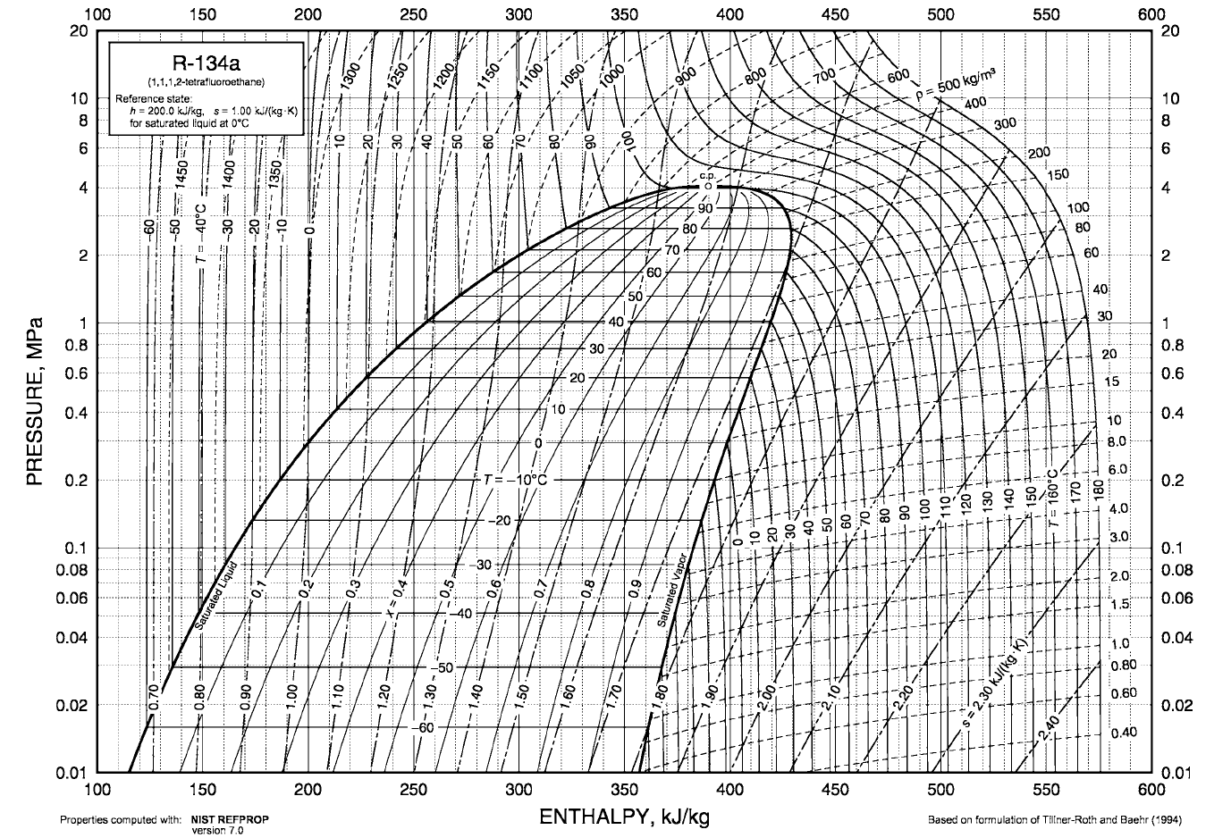

5
4
3

2
1

COPat70 vs. Teva
Teva | -20 | -16 | -12 | -8 | -4 | 0 | 4 | 8 | 12 | 16 | 20 | 24 | 28 | 32 | 36 | 40 | 44
COP
 | 2.4173893826 | 2.5585606188 | 2.7149890048 | 2.8887404752 | 3.0836737495 | 3.3012787712 | 3.5476357631 | 3.8298917616 | 4.1513482557 | 4.5195189331 | 4.9559835617 | 5.4617938786 | 6.0736439444 | 6.8177510907 | 7.7453975276 | 8.9013603676 | 10.444560373

Teva vs. COP at 70
 |  |  |  |  |  |  |  |  |  |  |  |  |  |  |  | 5th order polynomial function
 |  |  |  |  |  |  |  |  |  |  |  |  |  |  |  | Linear model Poly5: f(x) = p1*x^5 + p2*x^4 + p3*x^3 + p4*x^2 + p5*x + p6 Coefficients (with 95% confidence bounds): p1 = 1.457e-08 (1.116e-08, 1.798e-08) p2 = -9.658e-08 (-3.086e-07, 1.154e-07) p3 = 6.609e-06 (3.71e-06, 9.508e-06) p4 = 0.00101 (0.000908, 0.001112) p5 = 0.05864 (0.05748, 0.05979) p6 = 3.295 (3.284, 3.306) Goodness of fit: SSE: 0.001116 R-square: 1 Adjusted R-square: 1 RMSE: 0.01007
 | x | y
 | -20 | 2.4173893826
 | -16 | 2.5585606188
 | -12 | 2.7149890048
 | -8 | 2.8887404752
 | -4 | 3.0836737495
 | 0 | 3.3012787712
 | 4 | 3.5476357631
 | 8 | 3.8298917616
 | 12 | 4.1513482557
 | 16 | 4.5195189331
 | 20 | 4.9559835617
 | 24 | 5.4617938786
 | 28 | 6.0736439444
 | 32 | 6.8177510907
 | 36 | 7.7453975276
 | 40 | 8.9013603676
 | 44 | 10.444560373

Demand
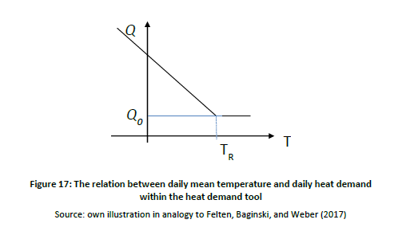
 | TR [⁰C] | Tmin [⁰C] | Q0 [m3/s] | Qmax [m3/s]
Industrial P2G | 25 | 5 | 3.14E-03 | 3.85E-03
District Heating P2H | 25 | 5 | 3 | 4

Q(t) = Q0+((Qmax-Q0)/(TR-Tmin))* max(0,TR-T(t))

 | 0.000036 | 0.05

 |  |  |  |  | 5

